Calculations
Design of MS-Pipeline

Parameter | Unit | Value | Round Off Value | Remarks
Design discharge (Q) | m3/s | 29.7 | 33 | 10% increase for design dicharge as factor of safety
Total pipe length (L) | km | 100
Static head(Hs) | m | 0

Diameter Calculation
Velocity (V) | m/sec | 2 |  | As per CWC v<3m/sec and as per CPHEEO v<2.5 m/sec For raw water
Area (A) | m2 | 16.5
Diameter (D) | m | 4.5846601052
Maximum Diameter | m | 3.5 |  | 3.5 m Diameter can easily be transported so economical
No. of Pipes |  | 2
Diameter of Each Pipe | m | 3.5

Total Head-loss Calculation
Frictional head Loss (Hf) | m/km | 0.77 |  | As per CWC Section 5.3, a friction-loss range of 0.4–1.5 m per 1,000 m will generally be economical
Dynamic Head (Hd) |  |  |  | Not Considered in India
Total Head Loss (H) | m | 77 | 80

Velocity Check
Area | 19.2325
Velocity | 1.7158455739 |  |  | <2m/s
 | OK

STRUCTURAL DESIGN FOR M.S. PIPE
(A) Basic Data :
Inner Diameter of Pipe(D) | mm | 2500
Assumed Thickness (t) | mm | 25
Internal lining | mm | 0 |  | As per IS 1916 : 2018 Table 2
External Guniting thickness | mm | 0 |  | As per IS 1916 : 2018 Table 2
Diameter of Base Pipeline | mm | 2550
Outside diameter of pipe Including Guniting | mm | 2550
Pressure on pipeline due to Working design | m of water | 225 |  | As per IS 1916 : 2018 Section-3
Pressure on the pipeline due to surge effect after providing surge protection system, if any | m of water | 123.7 |  | Doubt
Saturated density of filling (ϒs ) | t/m3 | 1.8
Bedding angle | Degrees | 30 |  | 25-30
Trench width (BD) | mm | 6375 |  | from Section 6 of IELRC.ORG - Manual on Sewerage and Sewage Treatment, 1993
Degree of compaction as specified in trenches | % | 90
Length of pipe | mm | 100000

(B) PROPERTIES OF MATERIAL :
Type of Steel |  | Fe-410 |  | AS per IS 2062 - 1962
Yield Stress | kg/cm2 | 2500
Permissible compressive stress at 50% of Ys. for efficiency of welding Joint | kg/cm2 | 1250 |  | Aussumed fos=2 for compression
Permissible tensile stress at 60% of Ys. for efficiency of welding joint | kg/cm2 | 1500 |  | Aussumed fos=1.67 for Tension
Modulus of elasticity of pipe material (E) | Kg/cm2 | 2.10E+06
Density of lining mortar | Kg/cm3 | 0
Modulus of elasticity of C.M. lining (Es) | Kg/cm3 | 3.57E+05
Permissible deflection for mortar line and coated pipe (Δx) | mm | 50 |  | 2 % of nominal diameter of pipe
Unit weight of saturated fill | Kg/m3 | 1800
Cover of earth fill to pipe (H) | m | 1.5 |  | Minimum 1.2m as per PNGRB — Pipeline Regulations, Table 3
Atmospheric pressure | m of water | 10 |  | round off of 10.33
 | kg/cm2 | 1

(C) DESIGN OF SHELL THICKNESS
Design based on working pressure of pipeline | m of water | 123.7
 | kg/cm2 | 12.37
$$t=\frac{PD}{2afe+P}$$
Shell Thickness: |  |  |  | As Per IS 5822.1994 Annex B
Where:
P = Internal pressure (Working Pressure) | kg/cm2 | 12.37
D = Outside diameter | cm | 255
a = Design factor (60%) |  | 0.6 |  | 0.6 for working pressure and 0.9 for Test pressure inclusive of surge pressure
f = Specified yield stress | kg/cm2 | 2500
Type of welding |  | Field Welding
e = Welding coefficient |  | 0.8 |  | 0.9 for shop welding and 0.8 for field weld

Shell Thickness Check
calculated thickness | cm | 1.3075730506
 | mm | 13.075730506
assumed thickness | mm | 25
 |  | OK
(D) CHECKING FOR DEFLECTION
Calculations
(1) Load due to Fill
Outside diameter of pipe with guniting (Bc) | mm | 2550 |  | Doubt
Trench width at the top of the pipe (BD) | mm | 6375
Cover of earth fill to pipe (H) | mm | 1500
Ratio H/BD |  | 0.23529411765
Load co-efficient Cd |  | 0.461 |  | from table 6.3 of IELRC.ORG - Manual on Sewerage and Sewage Treatment, 1993
Saturated density of filling (ϒs ) | Kg/m3 | 1800 |  | Equation 6.6 of IELRC.ORG - Manual on Sewerage and Sewage Treatment, 1993
$$W_{C}=C_{d}×γ_{c}×B_{c}×B_{D}$$
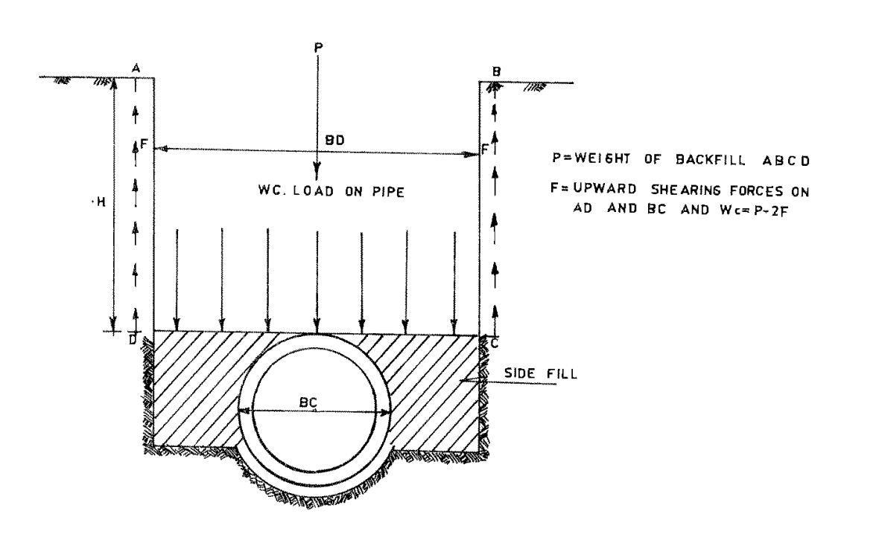
Distribution of load for normal trench conditions (Wc)
Wc | Kg/m | 13489.43625 | 13490

(2) Load Due to self weight of pipe shell, gunite and water
Self Wt. of Pipe without Lining and Guniting | Kg/m | 1555.968125
Wt of Internal lining | Kg/m | 0
Wt of guniting | Kg/m | 0
Wt of water | Kg/m | 4921.875
Factor For Weight Calculation |  | 2 |  | As per clause no 2 of IWWA Publication No. M1, the load due to pipe shell, lining and water is partially transmitted to the ground
Total Factored Weight (Wp) | Kg/m | 3238.9215625 | 3239

Total load Wo = Wc + Wp | Kg/m | 16729
 | Kg/cm | 167.29 | 170 | Round to Nearest Up Tens

(D.1) DEFLECTION OF PIPE :
Angle of uniformity spread load | Degrees | 180
Time lag factor (Deflection lag factor) De |  | 1 |  | As per AWWA Manual Deflection lag factor (De) accounts for long-term deflection as a result of consolidation or settlement of backfill material at the sides of the pipe. Because the steel pipe is designed for the maximum possible soil load directly over the outside diameter of the pipe when the prism load (W) is used, Di is 1.0.
Bedding reaction angle | Degrees | 30
Co-efficient from vertical bending ( Kθ ) |  | 0.108 |  | As per Table 3.1 IWWA Manual
Total load (Wo) | Kg/cm | 170
Radius of pipe to external face (R) | m | 1.25
 | cm | 125
Modulus of elasticity of pipe material (E) | kg/cm2 | 2.10E+06
Moment of inertia of pipe shell per unit length (I) | cm3 | 1.3020833333 |  | As per AWWA and CWC Manual I=t3/3
Degree of compaction | % | 90
Modulus of passive resistance of soil (e') | kg/cm2 | 80
External negative pressure intensity (Pe) | kg/cm2 | 0.2 |  | 0.33 As Per IS 5822 Annex B , B-3.1 but taking 0.2 for more safety
Internal Pressure (Pi) | kg/cm2 | 12.37
Permissible Deflection (Δx) | cm | 5.1

$$Δx1=\frac{D_{e}K_{θ}W_{o}R^{3}}{EI+0.061e′R^{3}−2P_{e}K_{θ}R^{3}}$$
(D.1.1) Deflection of underground laid pipe for external load and partial vacuum pressure
 |  |  |  | As per 3.11 IWWA Manual

Δx1 | cm | 2.9438173422

Check for Deflection D.1.1 |  | OK

(D.1.2) Deflection of underground pipe for external load with internal pressure
$$Δx\text{2}=\frac{D_{e}K_{θ}W_{o}R^{3}}{EI+0.061e^{′}R^{3}+2P_{i}K_{θ}R^{3}}$$

Δx2 | cm | 2.05E+00

Check for Deflection D.1.2 |  | OK

$$M=\frac{KbW_{o}REI}{EI+0.061e′R^{3}−2P_{e}K_{θ}R^{3}}$$
(E) CHECKING COMPRESSIVE STRESS OF PIPE SHELL
Moment
Bottom bending factor (Kb) |  | 0.235 |  | As per Table 3.1 IWWA Manual
Moment (M) | Kg.cm | 1120.9674833
Bending compressive stress (fb) | kg/cm2 | 1076.128784 |  | fb=(M*6/t2) as per 3.15 IWWA Manual
Actual hoop stress(fh) | kg/cm2 | 10 |  | fh=Pe*D/2t
Total compressive Stress (fc) | kg/cm2 | 1086.128784

Check for Compressive Stress E |  | OK

$$f=\frac{KbW_{o}REt}{2(EI+0.061e′R^{3}+2P_{i}K_{θ}R^{3})}$$
(F) CHECKING TENSILE STRESS OF PIPE SHELL
Tensile stress
Tensile Stress (f) | kg/cm2 | 749.73860356
Actual hoop stress(fh) | kg/cm2 | 618.5
Total Tensile Stress (ft) | kg/cm2 | 1368.2386036

Check for Tensile Stress E |  | OK

Final Report
Detailed Design Report

Project Name: | 0
Company Name: | 0
Client Name: | 0
Moblie Number: | 0
Email ID: | 0

Design of MS-Pipeline

Parameter | Unit | Value | Round Off Value
Design discharge (Q) | m3/s | 29.7 | 33
Total pipe length (L) | km | 100
Static head(Hs) | m | 0

Diameter Calculation
Velocity (V) | m/sec | 2
Area (A) | m2 | 16.5
Diameter (D) | m | 4.5846601052
Maximum Diameter | m | 3.5
No. of Pipes |  | 2
Diameter of Each Pipe | m | 3.5

Total Head-loss Calculation
Frictional head Loss (Hf) | m/km | 0.77
Dynamic Head (Hd)
Total Head Loss (H) | m | 77 | 80

Velocity Check
Area | 19.2325
Velocity | 1.7158455739
 | OK

STRUCTURAL DESIGN FOR M.S. PIPE
(A) Basic Data :
Inner Diameter of Pipe(D) | mm | 2500
Assumed Thickness (t) | mm | 25
Internal lining | mm | 0
External Guniting thickness | mm | 0
Diameter of Base Pipeline | mm | 2550
Outside diameter of pipe Including Guniting | mm | 2550
Pressure on pipeline due to Working design | m of water | 225
Pressure on the pipeline due to surge effect after providing surge protection system, if any | m of water | 123.7
Saturated density of filling (ϒs ) | t/m3 | 1.8
Bedding angle | Degrees | 30
Trench width (BD) | mm | 6375
Degree of compaction as specified in trenches | % | 90
Length of pipe | mm | 100000

(B) PROPERTIES OF MATERIAL :
Type of Steel |  | Fe-410
Yield Stress | kg/cm2 | 2500
Permissible compressive stress at 50% of Ys. for efficiency of welding Joint | kg/cm2 | 1250
Permissible tensile stress at 60% of Ys. for efficiency of welding joint | kg/cm2 | 1500
Modulus of elasticity of pipe material (E) | Kg/cm2 | 2.10E+06
Density of lining mortar | Kg/cm3 | 0
Modulus of elasticity of C.M. lining (Es) | Kg/cm3 | 3.57E+05
Permissible deflection for mortar line and coated pipe (Δx) | mm | 50
Unit weight of saturated fill | Kg/m3 | 1800
Cover of earth fill to pipe (H) | m | 1.5
Atmospheric pressure | m of water | 10
 | kg/cm2 | 1

(C) DESIGN OF SHELL THICKNESS
Design based on working pressure of pipeline | m of water | 123.7
 | kg/cm2 | 12.37
$$t=\frac{PD}{2afe+P}$$
Shell Thickness:
Where:
P = Internal pressure (Working Pressure) | kg/cm2 | 12.37
D = Outside diameter | cm | 255
a = Design factor (60%) |  | 0.6
f = Specified yield stress | kg/cm2 | 2500
Type of welding |  | Field Welding
e = Welding coefficient |  | 0.8

Shell Thickness Check
calculated thickness | cm | 1.3075730506
 | mm | 13.075730506
assumed thickness | mm | 25
 |  | OK
(D) CHECKING FOR DEFLECTION
Calculations
(1) Load due to Fill
Outside diameter of pipe with guniting (Bc) | mm | 2550
Trench width at the top of the pipe (BD) | mm | 6375
Cover of earth fill to pipe (H) | mm | 1500
Ratio H/BD |  | 0.23529411765
Load co-efficient Cd |  | 0.461
Saturated density of filling (ϒs ) | Kg/m3 | 1800
$$W_{C}=C_{d}×γ_{c}×B_{c}×B_{D}$$
Distribution of load for normal trench conditions (Wc)
Wc | Kg/m | 13489.43625 | 13490

(2) Load Due to self weight of pipe shell, gunite and water
Self Wt. of Pipe without Lining and Guniting | Kg/m | 1555.968125
Wt of Internal lining | Kg/m | 0
Wt of guniting | Kg/m | 0
Wt of water | Kg/m | 4921.875
Factor For Weight Calculation |  | 2
Total Factored Weight (Wp) | Kg/m | 3238.9215625 | 3239

Total load Wo = Wc + Wp | Kg/m | 16729
 | Kg/cm | 167.29 | 170

(D.1) DEFLECTION OF PIPE :
Angle of uniformity spread load | Degrees | 180
Time lag factor (Deflection lag factor) De |  | 1
Bedding reaction angle | Degrees | 30
Co-efficient from vertical bending ( Kθ ) |  | 0.108
Total load (Wo) | Kg/cm | 170
Radius of pipe to external face (R) | m | 1.25
 | cm | 125
Modulus of elasticity of pipe material (E) | kg/cm2 | 2.10E+06
Moment of inertia of pipe shell per unit length (I) | cm3 | 1.3020833333
Degree of compaction | % | 90
Modulus of passive resistance of soil (e') | kg/cm2 | 80
External negative pressure intensity (Pe) | kg/cm2 | 0.2
Internal Pressure (Pi) | kg/cm2 | 12.37
Permissible Deflection (Δx) | cm | 5.1

(D.1.1) Deflection of underground laid pipe for external load and partial vacuum pressure
$$Δx1=\frac{D_{e}K_{θ}W_{o}R^{3}}{EI+0.061e′R^{3}−2P_{e}K_{θ}R^{3}}$$

Δx1 | cm | 2.9438173422

Check for Deflection D.1.1 |  | OK

(D.1.2) Deflection of underground pipe for external load with internal pressure
$$Δx\text{2}=\frac{D_{e}K_{θ}W_{o}R^{3}}{EI+0.061e^{′}R^{3}+2P_{i}K_{θ}R^{3}}$$

Δx2 | cm | 2.05E+00

Check for Deflection D.1.2 |  | OK

$$M=\frac{KbW_{o}REI}{EI+0.061e′R^{3}−2P_{e}K_{θ}R^{3}}$$
(E) CHECKING COMPRESSIVE STRESS OF PIPE SHELL
Moment
Bottom bending factor (Kb) |  | 0.235
Moment (M) | Kg.cm | 1120.9674833
Bending compressive stress (fb) | kg/cm2 | 1076.128784
Actual hoop stress(fh) | kg/cm2 | 10
Total compressive Stress (fc) | kg/cm2 | 1086.128784

Check for Compressive Stress E |  | OK

$$f=\frac{KbW_{o}REt}{2(EI+0.061e′R^{3}+2P_{i}K_{θ}R^{3})}$$
(F) CHECKING TENSILE STRESS OF PIPE SHELL
Tensile stress
Tensile Stress (f) | kg/cm2 | 749.73860356
Actual hoop stress(fh) | kg/cm2 | 618.5
Total Tensile Stress (ft) | kg/cm2 | 1368.2386036

Check for Tensile Stress E |  | OK

